UT
 |  |  |  | 2017-01-31
 |  |  |  | • ü : www.wndti.gr • * : info@wndti.gr •

 |  |  |  |  | Created by Welding & NDT Institute
Incident Angle in Medium 1 | Θi = | 23.539 | ° | Refraction Angle in Medium 2 | Θr = | 35.234 | °
refraction angle in medium 2 | Θr = | 60.00 | ° | incident angle in medium 1 | Θi = | 30.00 | °
sound velocity in medium 1 | c1 = | 2.730 | mm/μs | sound velocity in medium 1 | c1 = | 2.730 | mm/μs
sound velocity in medium 2 | c2 = | 5.920 | mm/μs | sound velocity in medium 2 | c2 = | 3.150 | mm/μs

Length of Near Field | N = | 7.601 | mm | Wavelength | λ = | 1.184 | mm
element diameter | D = | 6.00 | mm
nominal probe frequency | f = | 5.00 | MHz | nominal probe frequency | f = | 5.00 | MHz
sound velocity | c = | 5.920 | mm/μs | sound velocity | c = | 5.920 | mm/μs

dB Difference | ΔdB = | 20.000 | dB | Reflected Energy | R = | 19.394 | %
Percent of Reference |  | 10.00 | % | Transmitted Energy | Τ = | 80.606 | %
Ratio A1/A2 |  | 10.00 |  | acoustic Impedance in medium 1 | Z1 = | 2.30
amplitude 1 (reference) | A1 = | 80.00 |  | acoustic Impedance in medium 2 | Z2 = | 5.92
amplitude 2 | A2 = | 8.00

Half Angle of Divergence in the Far Field | θ/2 = | 5.902 | ° | Probe | Divergence | K
coefficient | K = | 0.87 |  | CIRCULAR | -6dB | 0.51
sound velocity | C = | 5.920 | mm/μs | RECTANGULAR |  | 0.44
nominal probe frequency | f = | 5.00 | MHz | CIRCULAR | -20dB | 0.87
element diameter | D = | 10.00 | mm | RECTANGULAR |  | 0.74

Acoustic Impedance | Z = | 25.60 | gr/cm^2-s*10^5 | Transit Time Pulse-Echo Technique | Τt(pe) = | 15.748 | μs
density of the medium | ρ = | 8.00 | gr/cm³ | thickness | T = | 50.00 | mm
sound velocity | c = | 3.200 | mm/μs | sound velocity | c = | 6.350 | mm/μs

Leg 1 | L1 = | 100.00 | mm | 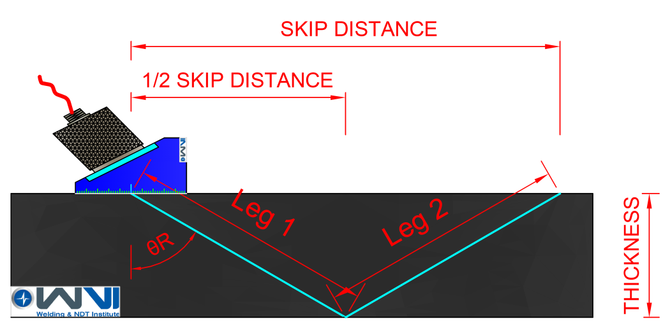
Leg 1 + Leg 2 | V-path = | 200.00 | mm
Skip Distance | SKIP = | 173.21 | mm
Half Skip Distance | ½SKIP = | 86.60 | mm
thickness | T = | 50.00 | mm
nominal refracted angle | θR = | 60.00 | °

Defect Location in 1st Leg |  |  |  | Defect Location in 2nd Leg
Surface Distance | SD = | 43.30 | mm | Depth (2nd Leg) | Dleg2 = | 20.00 | mm
Depth (1st Leg) | Dleg1 = | 25.00 | mm | sound path distance | SP = | 60.00 | mm
sound path distance | SP = | 50.00 | mm | thickness | T = | 25.00 | mm
nominal refracted angle | θR = | 60.00 | ° | nominal refracted angle | θR = | 60.00 | °
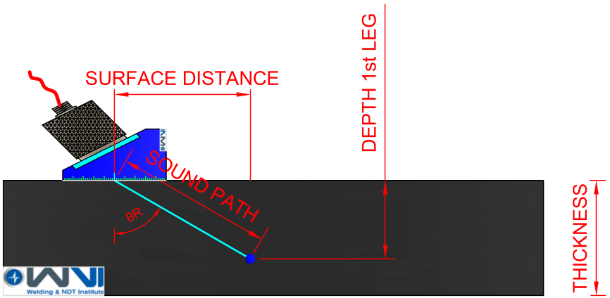 |  |  |  | 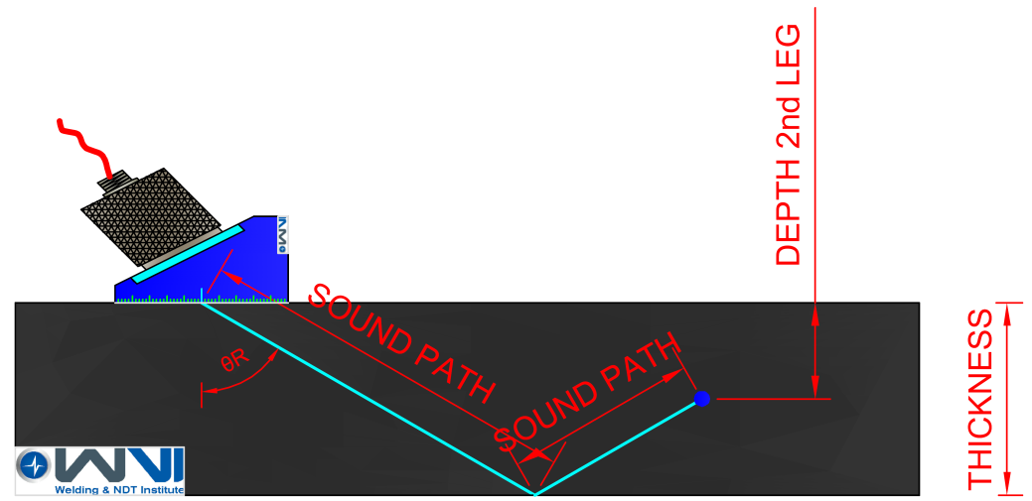

Pulse Repetition Time | PRT = | 250.00 | μs
pulse repetition frequency | PRF = | 4.00 | KHz
Maximum Inspection Thickness (Pulse-Echo Technique) | Tmax = | 740.00 | mm
sound velocity | c = | 5.920 | mm/μs

For Personal Use Only |  |  |  |  | date of issue: 15.01.2017 / edition: 01

